Cover
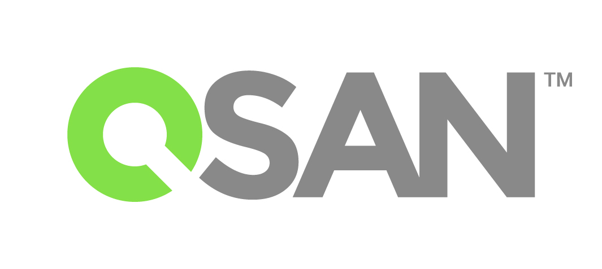

 | QSAN Technology, Inc.

AegisSAN & TrioNAS Compatibility Matrix

Version 201803

114 台北市內湖區瑞湖街103號4樓
4F., No.103, Ruihu St., Neihu Dist., Taipei City 114, Taiwan (R.O.C.)
TEL : +886-2-7720-2118 FAX : +886-2-7720-0295

